Sheet1
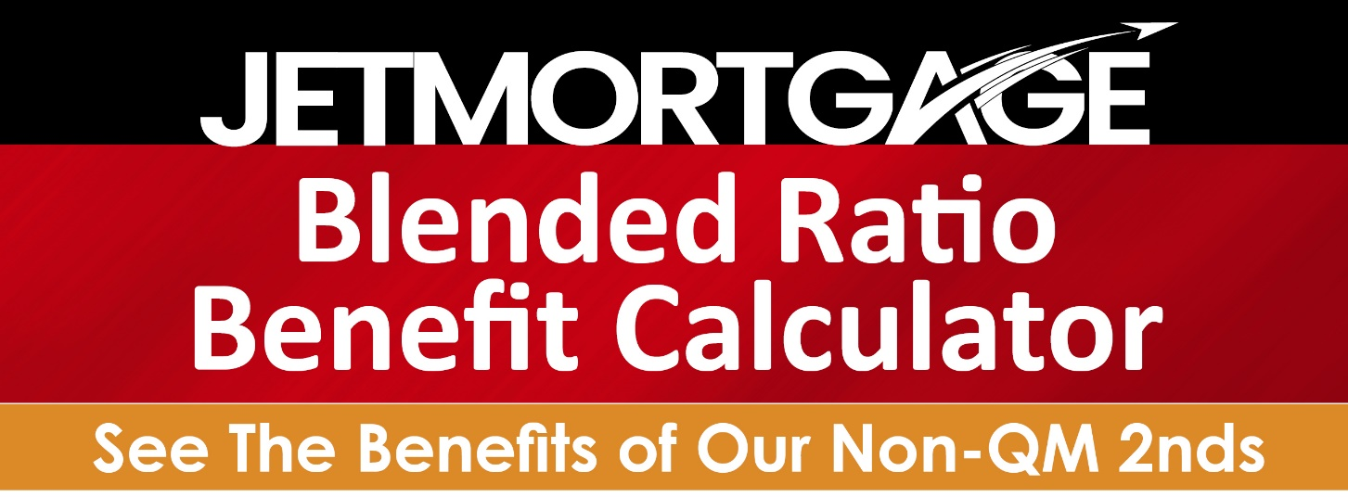

 |  | 1st Lien | 2nd Lien | Blended Rate
 | Loan Amount | $600,000.00 | $200,000.00 | 6.000%
 | Rate | 4.000% | 12.000%

 | **RELEASE THE EQUITY OF YOUR HOME**
©2022 Jet Mortgage is a DBA of Home Mortgage Alliance Corporation (HMAC) | 4 Hutton Centre Dr., Suite 520 | Santa Ana, CA 92707. 888-238-0789. HMAC is an Equal Housing Lender. NMLS Lic # 1165808. nmlsconsumeraccess.org. www.jetmortgage.com |11.11.22 This is a business advertisement. It is not intended for consumers.

